Instructions
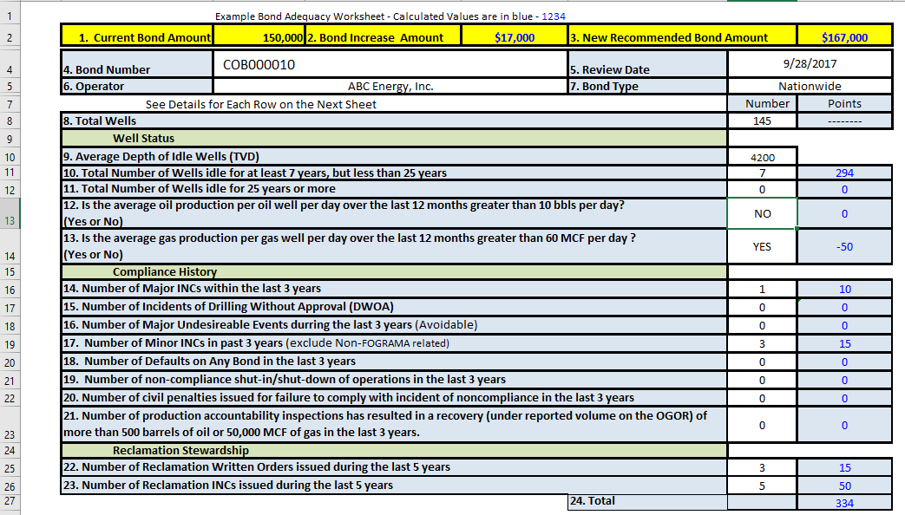
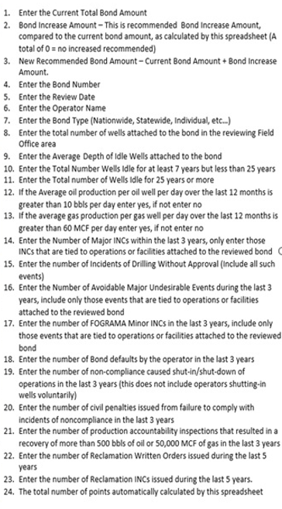
For the purpose of this guidance, the following definitions apply:
1. The term “well or wells” means any non ABD wellbore, not well completion.
2. Idle well means a well which has been non-operational for seven consecutive years or longer.
3. The bond review will be on an operator-specific property.
4. Operator-specific property is any Federal lease or portion thereof segregated for royalty purposes, by a communitization agreement, or a unit participating area operated by the same operator.

NOTE:
A. Bond increase is for the original bond of the Operator-specific property and this applies to lease, unit, state, and nationwide bonds.
B. The BLM does not have the authority to increase (or change) bond amounts on Indian properties. However BIA can request the BLM to review the bond adequacy. The results of such review on Indian properties shall be sent to the respective BIA office with a statement summarizing the review. In conducting the review the risk factors and corresponding bond conversion table listed above are to be used when reviewing Indian bonds.
C. The Calculated Values are in Blue (1234)

Printable-Instruction-sheet
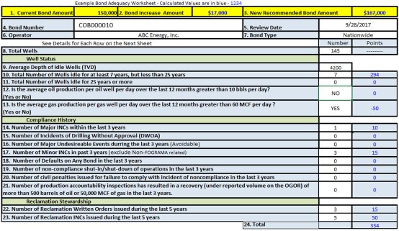

Note: Suggest Printing in pdf first

